Vistoria Geral
Ordem | Data do Envio | Vistoriante | Registro Fotográfico Geral (Links) | Registro Fotográfico Geral (Fotos) | Novo campo de audio (Links Áudio)
1 | 25/04/2026 13:49 | pedro | [Link Foto 1]: https://agfkghlczqpyikphmsog.supabase.co/storage/v1/object/public/inspection_photos/05485ca0-f7e5-4f0c-b83a-4819a4a2bbb8/f6c0c1b1-0522-4e78-aa24-77efa3c92d64/2/0.32231737640925584.jpeg [Link Foto 2]: https://agfkghlczqpyikphmsog.supabase.co/storage/v1/object/public/inspection_photos/05485ca0-f7e5-4f0c-b83a-4819a4a2bbb8/f6c0c1b1-0522-4e78-aa24-77efa3c92d64/2/0.9263986412593282.jpeg [Link Foto 3]: https://agfkghlczqpyikphmsog.supabase.co/storage/v1/object/public/inspection_photos/05485ca0-f7e5-4f0c-b83a-4819a4a2bbb8/f6c0c1b1-0522-4e78-aa24-77efa3c92d64/2/0.7425322702289513.jpeg [Link Foto 4]: https://agfkghlczqpyikphmsog.supabase.co/storage/v1/object/public/inspection_photos/05485ca0-f7e5-4f0c-b83a-4819a4a2bbb8/f6c0c1b1-0522-4e78-aa24-77efa3c92d64/2/0.8904001661633502.jpeg [Link Foto 5]: https://agfkghlczqpyikphmsog.supabase.co/storage/v1/object/public/inspection_photos/05485ca0-f7e5-4f0c-b83a-4819a4a2bbb8/f6c0c1b1-0522-4e78-aa24-77efa3c92d64/2/0.7581430281410094.jpeg [Link Foto 6]: https://agfkghlczqpyikphmsog.supabase.co/storage/v1/object/public/inspection_photos/05485ca0-f7e5-4f0c-b83a-4819a4a2bbb8/f6c0c1b1-0522-4e78-aa24-77efa3c92d64/2/0.3981344661873849.jpeg [Link Foto 7]: https://agfkghlczqpyikphmsog.supabase.co/storage/v1/object/public/inspection_photos/05485ca0-f7e5-4f0c-b83a-4819a4a2bbb8/f6c0c1b1-0522-4e78-aa24-77efa3c92d64/2/0.007835938561040479.jpeg [Link Foto 8]: https://agfkghlczqpyikphmsog.supabase.co/storage/v1/object/public/inspection_photos/05485ca0-f7e5-4f0c-b83a-4819a4a2bbb8/f6c0c1b1-0522-4e78-aa24-77efa3c92d64/2/0.8159361124206801.jpeg | 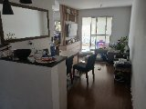 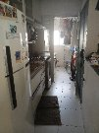 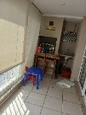 | 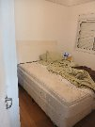 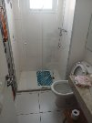 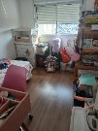 https://agfkghlczqpyikphmsog.supabase.co/storage/v1/object/public/inspection_photos/05485ca0-f7e5-4f0c-b83a-4819a4a2bbb8/f6c0c1b1-0522-4e78-aa24-77efa3c92d64/183iqjs7r/0.4051742727924825.webm?download=audio_1.mp4 | 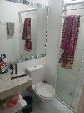 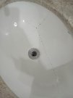
2 | 25/04/2026 13:52 | pedro | [Link Foto 1]: https://agfkghlczqpyikphmsog.supabase.co/storage/v1/object/public/inspection_photos/05485ca0-f7e5-4f0c-b83a-4819a4a2bbb8/f6c0c1b1-0522-4e78-aa24-77efa3c92d64/2/0.5106615352388126.jpeg
3 | 25/04/2026 13:53 | pedro | [Link Foto 1]: https://agfkghlczqpyikphmsog.supabase.co/storage/v1/object/public/inspection_photos/05485ca0-f7e5-4f0c-b83a-4819a4a2bbb8/f6c0c1b1-0522-4e78-aa24-77efa3c92d64/2/0.4529843977865219.jpeg | 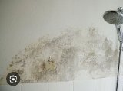 | https://agfkghlczqpyikphmsog.supabase.co/storage/v1/object/public/inspection_photos/05485ca0-f7e5-4f0c-b83a-4819a4a2bbb8/f6c0c1b1-0522-4e78-aa24-77efa3c92d64/183iqjs7r/0.7709777075124573.webm?download=audio_1.mp4

